Аркуш1
ID | Summary | Preconditions | Steps to reproduce | Actual result | Expected result | Environment | Priority | Severity | Screenshots
1 | The currency symbol is not matched to currency on the header after clicking the dropdown list |  | 1. Open the site: http://opencart.qatestlab.net/ 2. Click on the currency in the header 3. Pay attention to the currency symbol | The currency symbol is not matched to currency on the header after clicking the dropdown list | The currency symbol is corresponded to currency in the header after clicking the dropdown list | Windows 10 x64, Google Chrome 110.0.5481.104 | Medium | Minor | 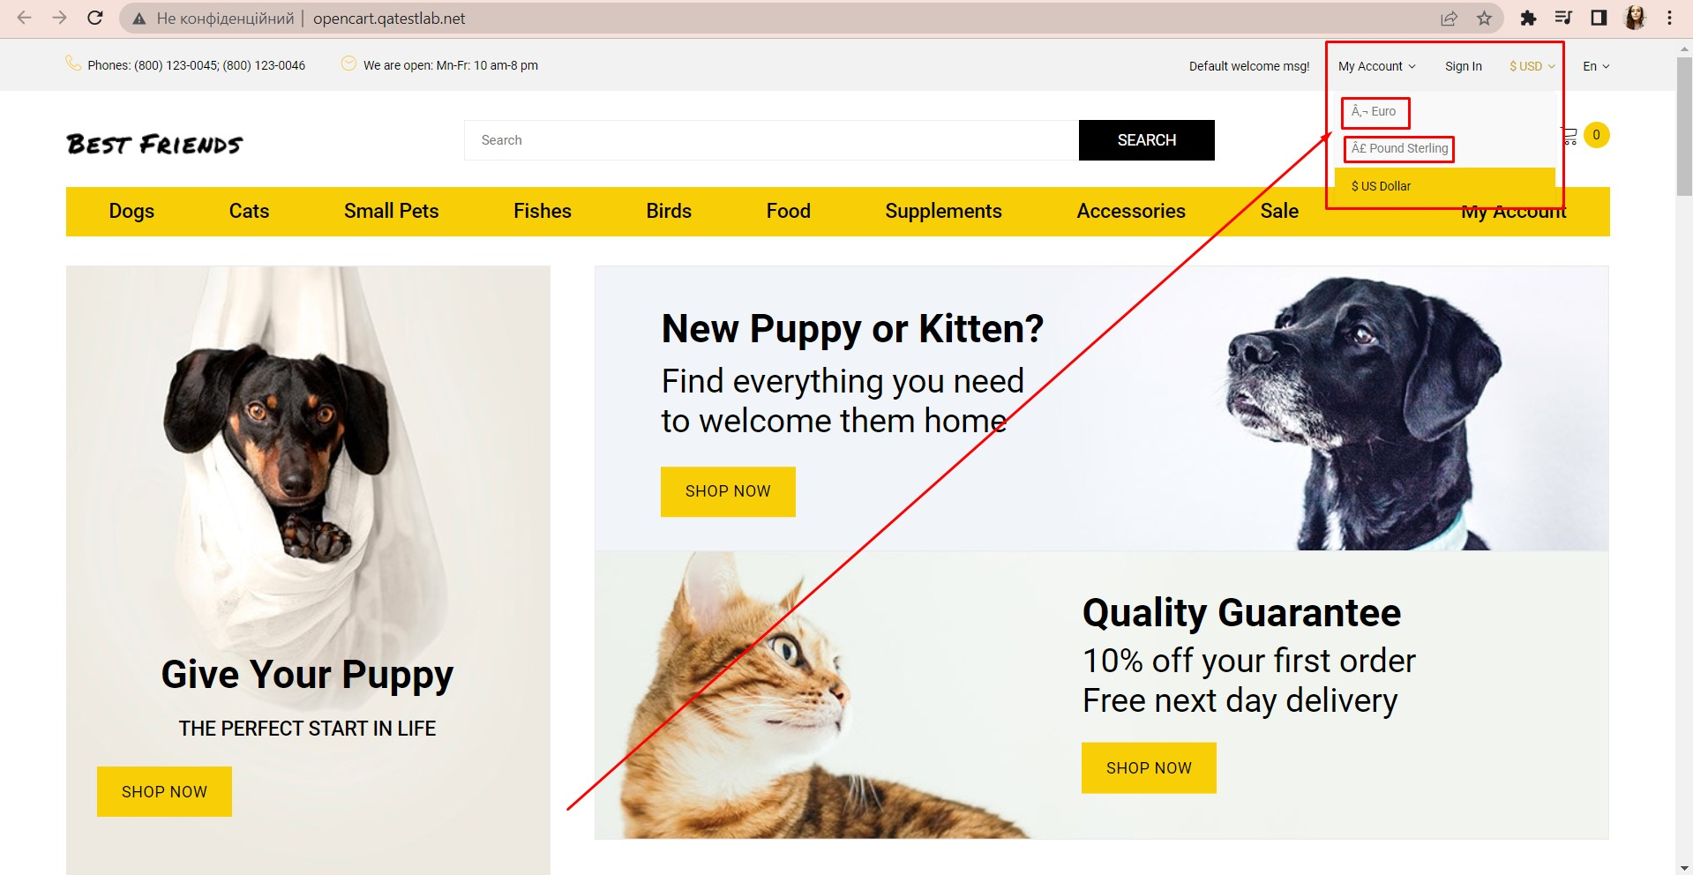
2 | The error messages are not displayed under empty input fields during user registration |  | 1. Open the site: http://opencart.qatestlab.net/ 2. Click on the "My account" button 3. Click on the "Continue" button in the "New customer" form 4. Click in the every field and leave it empty 5. Pay attention to the absence of error messages under the empty input fields | The error messages are not displayed under empty input fields during user registration, every field is highlighted in green frame | The error messages are shown under empty input fields during user registration, every empty field is highlighted in red frame | Windows 10 x64, Google Chrome 110.0.5481.104 | High | Major | 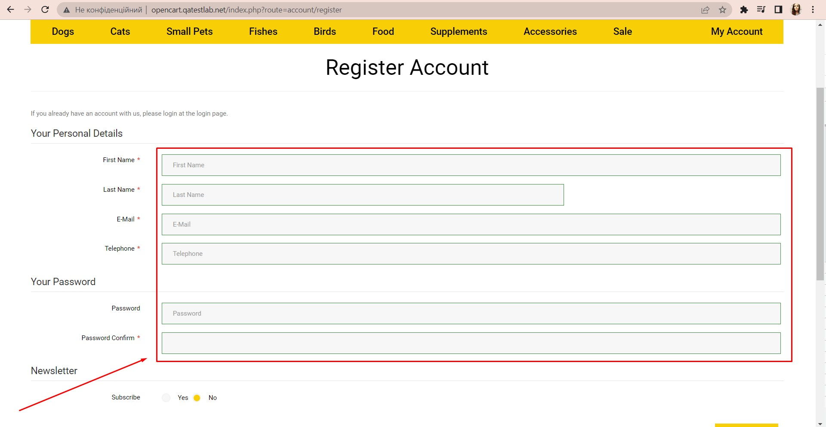
3 | The sorting products by name is not displayed alphabetically on the "Dogs" page |  | 1. Open the site: http://opencart.qatestlab.net/ 2. Click on the "Dogs" button 3. Scroll down the page 4. Click on Sort by "Name (A-Z)" from drop down list 5. Pay attention to the sorting of products | The sorting of products by name is not displayed alphabetically on the "Dogs" page | The sorting products by name is matched alphabetically on the "Dogs" page | Windows 10 x64, Google Chrome 110.0.5481.104 | Medium | Major | 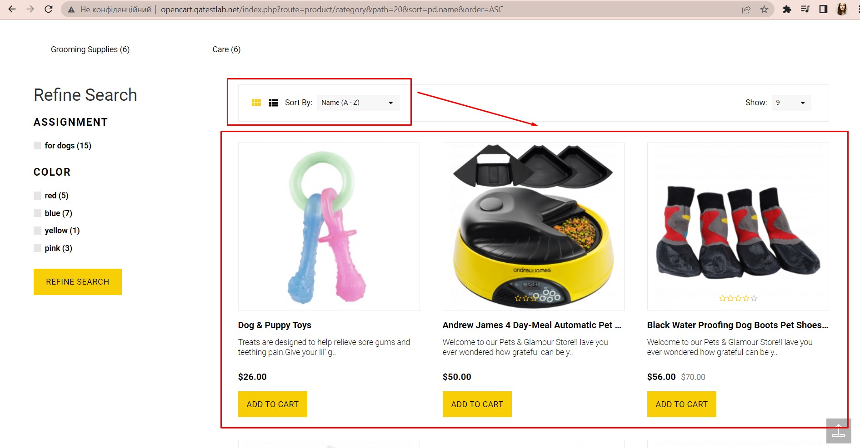
4 | The checkboxes with the "0" value are displayed in the "Фильтры" block after opening the "Accessories" page |  | 1. Open the site: http://opencart.qatestlab.net/ 2. Click on the "Accessories" button 3. Scroll down the page 4. Pay attention to the checkboxes with the "0" value | The checkboxes with the "0" value are displayed in the "Фильтры" block after opening the "Accessories" page | The checkboxes with the value the "1" and more are displayed in the filters block after opening the "Accessories" page | Windows 10 x64, Google Chrome 110.0.5481.104 | Medium | Minor | 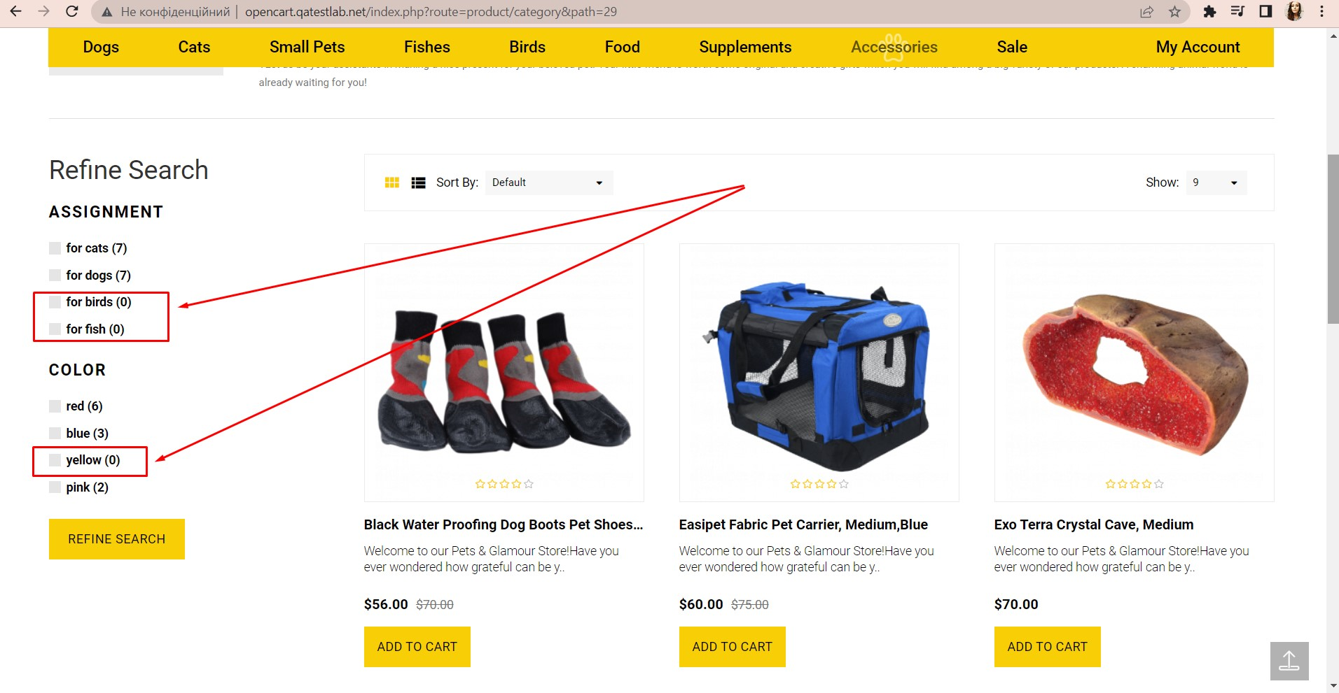
5 | The color of products on the "Dog Toys" Page is not matched to the chosen color after clicking the "Blue" checkbox |  | 1. Open the site: http://opencart.qatestlab.net/ 2. Click on the Dog Toys banner's "SHOP NOW" hyperlink 3. Click on the "blue" checkbox in the "Refine Search" block 4. Click the "Refine Search" button 5. Pay attention to the color of products on the page | The color of products on the "Dog Toys" Page is not matched to the chosen color after clicking the "Blue" checkbox | The color of products on the "Dog Toys" Page is displayed according to the selected color after clicking the "Blue" checkbox | Windows 10 x64, Google Chrome 110.0.5481.104 | Medium | Minor | 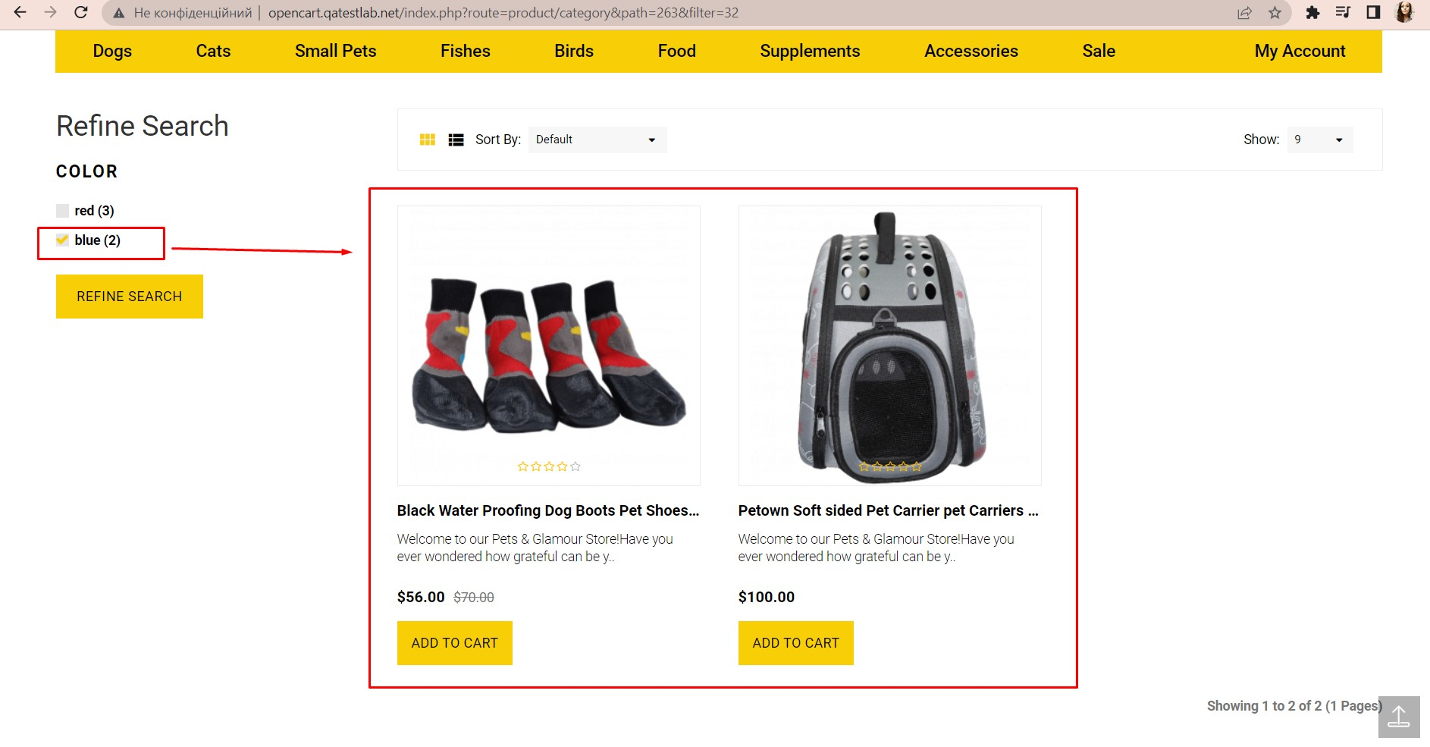
6 | The height of the left banner is not aligned with other banners |  | 1. Open the site: http://opencart.qatestlab.net/ 2. Pay attention to the height of the banners | The height of the left banner is not aligned with other banners | The height of the left banner is displayed aligned with other banners | Windows 10 x64, Google Chrome 110.0.5481.104 | Medium | Major | 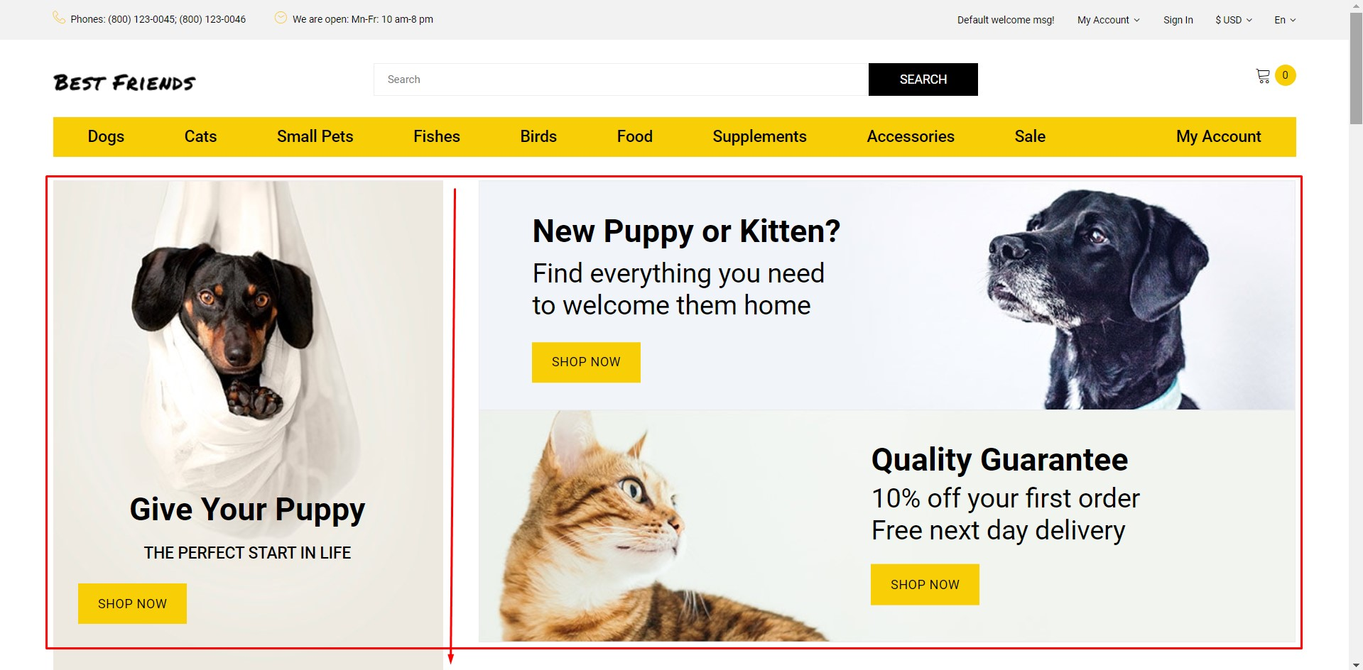
7 | The content language is not displayed in the chosen language |  | 1. Open the site: http://opencart.qatestlab.net/ 2. Select the Ru language in the header 3. Pay attention to the content language | The content language is not displayed in the chosen language | The content language is shown in the chosen language | Windows 10 x64, Google Chrome 110.0.5481.104 | Medium | Major | 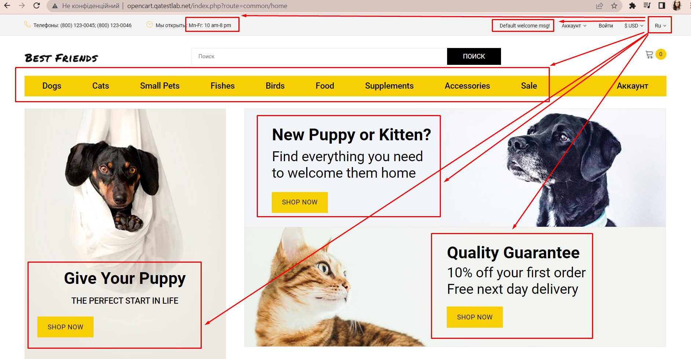
8 | The E-mail logo is not aligned with other logos in the footer |  | 1. Open the site: http://opencart.qatestlab.net/ 2. Scroll down the page 3. Pay attention to the E-mail logo in the footer | The E-mail logo is not aligned with other logos in the footer | The E-mail logo is shown aligned with other logos in the footer | Windows 10 x64, Google Chrome 110.0.5481.104 | Low | Major | 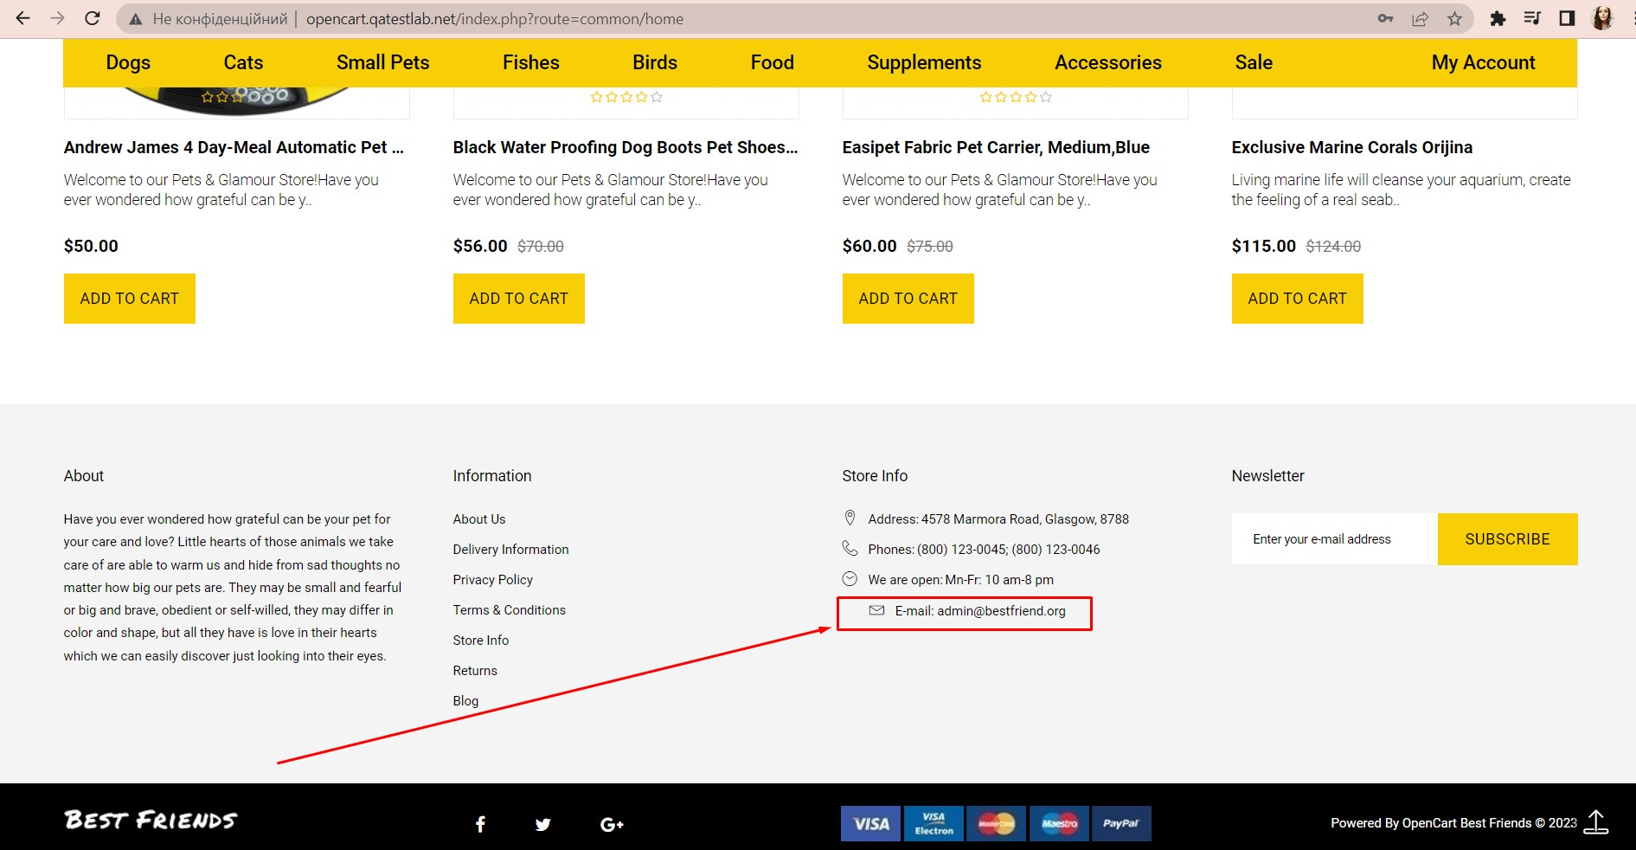
9 | The content is empty on the "Delivery Information" page |  | 1. Open the site: http://opencart.qatestlab.net/ 2. Scroll down the page 3. Click the "Delivery Information" link 4. Pay attention to the page content | The content is empty on the "Delivery Information" page | The "Delivery Information" page is displayed with the content | Windows 10 x64, Google Chrome 110.0.5481.104 | Low | Major | 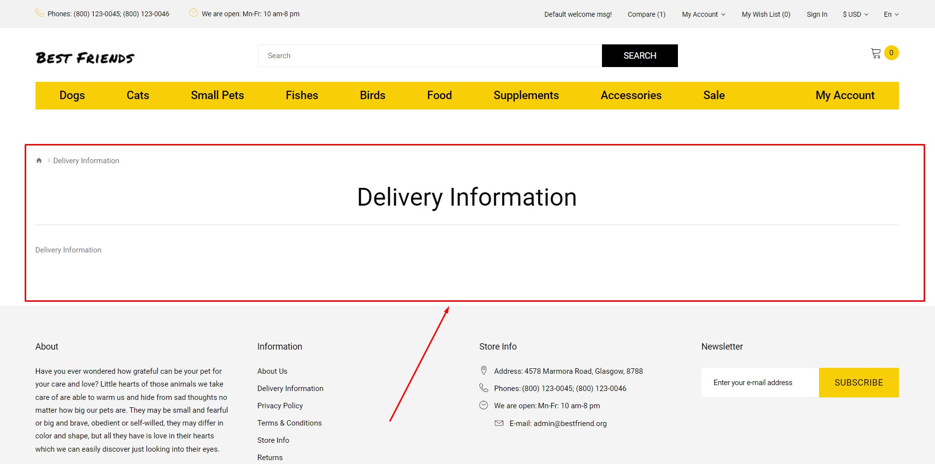
10 | The "cat Tree" good is displayed on the Dogs page |  | 1. Open the site: http://opencart.qatestlab.net/ 2. Go to the "Dogs" page 3. Scroll down the page 4. Pay attention to the goods | The "cat Tree" good is displayed on the Dogs page | The goods for dogs are displayed on the Dogs page | Windows 10 x64, Google Chrome 110.0.5481.104 | High | Major | 